Cost
cost | % change | LCOE
LCOE (€/MWh) as a function of initial cost variation (100=base case)
1000000 | 66.67 | 49.15
1100000 | 73.33 | 52.67
1200000 | 80.00 | 56.19
1300000 | 86.67 | 59.71
1400000 | 93.33 | 63.23
1500000 | 100.00 | 66.75
1600000 | 106.67 | 70.27
1700000 | 113.33 | 73.79
1800000 | 120.00 | 77.31
1900000 | 126.67 | 80.83
2000000 | 133.33 | 84.35

O&M
O&M | % change | LCOE
LCOE (€/MWh) as a function of O&M cost variation (100 = base case)

30000 | 66.67 | 62.1
35000 | 77.78 | 63.65
40000 | 88.89 | 65.2
45000 | 100.00 | 66.75
50000 | 111.11 | 68.3
55000 | 122.22 | 69.85
60000 | 133.33 | 71.4

Cap Fact
capacity fact | % change | LCOE
LCOE (€/MWh) as a function of capacity factor variation (100 = base case)
50.00 | 133.5
75.00 | 89
100.00 | 66.75
125.00 | 53.4
150.00 | 44.5
175.00 | 38.14
0.1 | 25.00 | 267
0.2 | 50.00 | 133.5
0.3 | 75.00 | 89
0.4 | 100.00 | 66.75
0.5 | 125.00 | 53.4
0.6 | 150.00 | 44.5
0.7 | 175.00 | 38.14

Discount
Discount R | % change | LCOE
LCOE (€/MWh) as a function of the discount rate variation (100 = base case)
0.02 | 40.00 | 60.74
0.03 | 60.00 | 62.72
0.04 | 80.00 | 64.72
0.05 | 100.00 | 66.75
0.06 | 120.00 | 68.8
0.07 | 140.00 | 70.87
0.08 | 160.00 | 72.96
0.09 | 180.00 | 75.06

Escal R
LCOE (€/MWh) as a function of the O&M escalation rate variation (100 = base case)
0.00 | 65.64
50.00 | 66.18
100.00 | 66.75
150.00 | 67.35
200.00 | 67.98
O&M Escal R | % change | LCOE

0 | 0.00 | 65.64
0.01 | 50.00 | 66.18
0.02 | 100.00 | 66.75
0.03 | 150.00 | 67.35
0.04 | 200.00 | 67.98

Lifetime
LCOE (€/MWh) as a function of the book lifetime variation
Lifetime | % change | LCOE
(year)
8 | 80.00 | 76.79
9 | 90.00 | 71.19
10 | 100.00 | 66.75
11 | 110.00 | 63.15
12 | 120.00 | 60.19
13 | 130.00 | 57.71
14 | 140.00 | 55.61
15 | 150.00 | 53.82

Sensiv
Sensitivity analysis: LCOE (€/MWh) for variations in several assumptions (100 = base case)
 | Initial Cost |  | O&M |  | Cap Factor |  | Discount Rate |  | Escalation Rate |  | Lifetime
66.67 | 49.15 | 66.67 | 62.1 | 50.00 | 133.5 | 40.00 | 60.74 | 0.00 | 65.64 | 80.00 | 76.79
73.33 | 52.67 | 77.78 | 63.65 | 75.00 | 89 | 60.00 | 62.72 | 50.00 | 66.18 | 90.00 | 71.19
80.00 | 56.19 | 88.89 | 65.2 | 100.00 | 66.75 | 80.00 | 64.72 | 100.00 | 66.75 | 100.00 | 66.75
86.67 | 59.71 | 100.00 | 66.75 | 125.00 | 53.4 | 100.00 | 66.75 | 150.00 | 67.35 | 110.00 | 63.15
93.33 | 63.23 | 111.11 | 68.3 | 150.00 | 44.5 | 120.00 | 68.8 | 200.00 | 67.98 | 120.00 | 60.19
100.00 | 66.75 | 122.22 | 69.85 | 175.00 | 38.14 | 140.00 | 70.87 |  |  | 130.00 | 57.71
106.67 | 70.27 | 133.33 | 71.4 |  |  | 160.00 | 72.96 |  |  | 140.00 | 55.61
113.33 | 73.79 |  |  |  |  | 180.00 | 75.06 |  |  | 150.00 | 53.82
120.00 | 77.31
126.67 | 80.83
133.33 | 84.35

CFs
Cash Flows

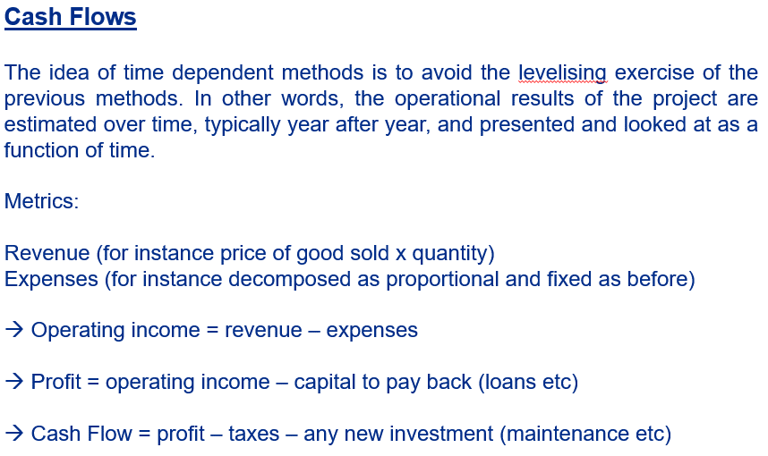
installation costs: |  | 1500000 | €/MW |  | power price year 1: |  | 66.75 | €/MWh
initial O&M costs: |  | 45000 | €/MW |  | power price escalation: |  | 0 | fraction of unity | CDCF year 10 is nil with no power price escalation
turbine capacity: |  | 3 | MW
capacity factor: |  | 0.4 | fraction of unity
discount rate: |  | 0.05 | fraction of unity |  |  | DCF (NVP) ? | IRR | 5%
escalation rate for O&M |  | 0.02 | fraction of unity

Year | Capital | O&M | MWh | Power price | revenue | CF of year | discountedCF | CDCF
0 |  |  |  |  |  |  | 0 | 0
1 | -4500000.00 | -135000.00 | 10512.00 | 66.75 | 701676.00 | -3933324.00 | -3933324.00 | -3933324.00
2 |  | -137700.00 | 10512.00 | 66.75 | 701676.00 | 563976.00 | 537120.00 | -3396204.00
3 |  | -140454.00 | 10512.00 | 66.75 | 701676.00 | 561222.00 | 509044.90 | -2887159.10
4 |  | -143263.08 | 10512.00 | 66.75 | 701676.00 | 558412.92 | 482378.08 | -2404781.03
5 |  | -146128.34 | 10512.00 | 66.75 | 701676.00 | 555547.66 | 457050.43 | -1947730.59
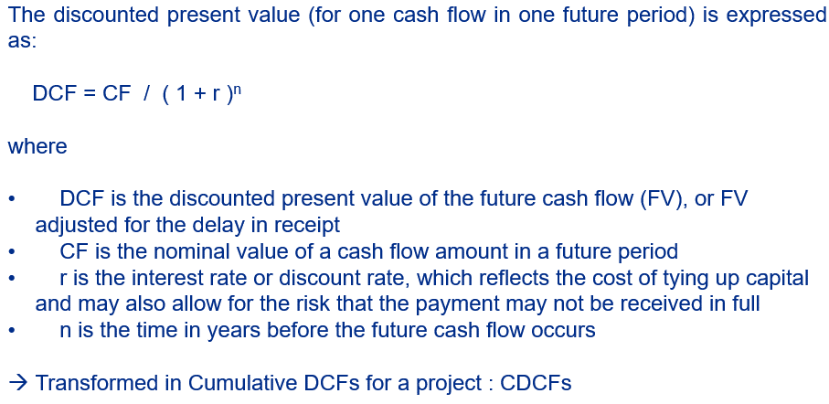
6 |  | -149050.91 | 10512.00 | 66.75 | 701676.00 | 552625.09 | 432996.22 | -1514734.37
7 |  | -152031.93 | 10512.00 | 66.75 | 701676.00 | 549644.07 | 410152.87 | -1104581.50
8 |  | -155072.57 | 10512.00 | 66.75 | 701676.00 | 546603.43 | 388460.86 | -716120.65
9 |  | -158174.02 | 10512.00 | 66.75 | 701676.00 | 543501.98 | 367863.54 | -348257.11
10 |  | -161337.50 | 10512.00 | 66.75 | 701676.00 | 540338.50 | 348307.02 | 49.91
11 |  | -164564.25 | 10512.00 | 66.75 | 701676.00 | 537111.75 | 329740.02 | 329789.93
12 |  | -167855.53 | 10512.00 | 66.75 | 701676.00 | 533820.47 | 312113.77 | 641903.70
13 |  | -171212.64 | 10512.00 | 66.75 | 701676.00 | 530463.36 | 295381.85 | 937285.55
14 |  | -174636.90 | 10512.00 | 66.75 | 701676.00 | 527039.10 | 279500.09 | 1216785.64
15 |  | -178129.63 | 10512.00 | 66.75 | 701676.00 | 523546.37 | 264426.49 | 1481212.13
Discounted cash flows (€)
Cumulated discounted cash flows (€)

IRR
Cash Flows
 |  |  |  |  | Assumptions for the power purchase agreement
installation costs: |  | 1500000 | €/MW |  | power price year 1: |  | 75 | €/MWh
initial O&M costs: |  | 45000 | €/MW |  | power price escalation: |  | 0.02 | fraction of unity
turbine capacity: |  | 3 | MW
capacity factor: |  | 0.4 | fraction of unity
discount rate: |  | 0.1164 | fraction of unity |  | IRR 11,64% with these assumptions over 10 years |  |  |  | 5% with power price of 66,75 and no power price escalation => base case
escalation rate for O&M |  | 0.02 | fraction of unity |  |  | IRR

Year | Capital | O&M | MWh | Power price | revenue | CF of year | discountedCF | CDCF
0 |  |  |  |  |  |  | 0 | 0
1 | -4500000.00 | -135000.00 | 10512.00 | 75.00 | 788400.00 | -3846600.00 | -3846600.00 | -3846600.00
2 |  | -137700.00 | 10512.00 | 76.50 | 804168.00 | 666468.00 | 596979.58 | -3249620.42
3 |  | -140454.00 | 10512.00 | 78.03 | 820251.36 | 679797.36 | 545431.00 | -2704189.42
4 |  | -143263.08 | 10512.00 | 79.59 | 836656.39 | 693393.31 | 498333.59 | -2205855.83
5 |  | -146128.34 | 10512.00 | 81.18 | 853389.51 | 707261.17 | 455302.99 | -1750552.84
6 |  | -149050.91 | 10512.00 | 82.81 | 870457.31 | 721406.40 | 415988.05 | -1334564.79
7 |  | -152031.93 | 10512.00 | 84.46 | 887866.45 | 735834.52 | 380067.90 | -954496.89
8 |  | -155072.57 | 10512.00 | 86.15 | 905623.78 | 750551.22 | 347249.43 | -607247.46 |  | IRR | 12%
9 |  | -158174.02 | 10512.00 | 87.87 | 923736.26 | 765562.24 | 317264.79 | -289982.67
10 |  | -161337.50 | 10512.00 | 89.63 | 942210.98 | 780873.48 | 289869.30 | -113.37
11 |  | -164564.25 | 10512.00 | 91.42 | 961055.20 | 796490.95 | 264839.38 | 264726.02
12 |  | -167855.53 | 10512.00 | 93.25 | 980276.30 | 812420.77 | 241970.77 | 506696.79
13 |  | -171212.64 | 10512.00 | 95.12 | 999881.83 | 828669.19 | 221076.84 | 727773.64
14 |  | -174636.90 | 10512.00 | 97.02 | 1019879.47 | 845242.57 | 201987.08 | 929760.72
15 |  | -178129.63 | 10512.00 | 98.96 | 1040277.06 | 862147.42 | 184545.71 | 1114306.43

 |  |  |  |  |  | Use this column for IRR function before discounted

Discounted cash flows (€)
Cumulated discounted cash flows (€)

